Result
Result of Calibration

 |  | Certificate No. : |  |  |  | SPR16060068-1 |  |  |  |  |  |  |  |  | Page : 3 of 3

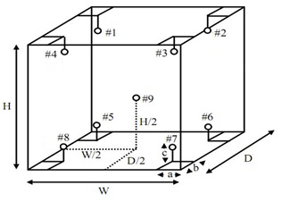

 |  |  |  |  |  |  |  |  |  |  |  | a x b x c = 5 cm x 5 cm x 5 cm

 | Temperature Accuracy in the Measurement Zone. |  |  |  |  |  |  |  |  |  |  |  |  |  |  | Unit : | °C
 | UUC Setting |  | Measured Temperature (°C) @ Probe No. (Probe No. 9 is REF.) |  |  |  |  |  |  |  |  |  |  |  |  | Uncertainty (±)

 |  |  | # 1 |  | # 2 | # 3 | # 4 | # 5 |  | # 6 |  | # 7 | # 8 | # 9
 | 65.0 |  | 50.6 |  | 50.4 | 50.8 | 50.4 | 50.3 |  | 50.4 |  | 50.6 | 50.6 | 50.4 |  | 1.30
 | 100.0 |  | 100.9 |  | 100.5 | 100.9 | 100.0 | 100.1 |  | 100.6 |  | 100.9 | 100.6 | 100.6 |  | 0.80
 | 150.0 |  | 150.9 |  | 150.5 | 150.9 | 150.0 | 150.1 |  | 150.6 |  | 150.6 | 150.6 | 150.6 |  | 0.80

 | Temperature Uniformity, Stability |  |  |  |  |  |  |  | Unit : |  | °C
 | UUC Setting |  |  | UUC Reading |  | Temperature Stability |  | Temperature Uniformity

 | 65.0 |  |  | 65.0 |  | 0.48 |  | 0.95
 | 100.0 |  |  | 100.0 |  | 0.00 |  | 0.59
 | 150.0 |  |  | 150.0 |  | 0.00 |  | 0.59

 | Measurement Uncertainty
 | The reported uncertainty of measurement is the expanded uncertainty obtained by multiplying the
standard uncertainty with the coverage factor k = 2.00, providing a level of confidence approximately 95 %
- End of Certificate -

